Location Plan & Summary
Intelligent Data Collection Limited

Client: | Bristol County Council |  | Date of Survey: |  | 09.07.2015
Project Number: | ID02343 |  | Site Name: |  | Berwick Road
Site Number: | ANPR Site 15 |  | Survey Type: |  | Two-way Link Count

X Coordinate |  | Y Coordinate |  | Google Maps Link
51.468299 |  | -2.566388 |  | Click Here
AM Peak Conditions |  | Inter-Peak Conditions |  | PM Peak Conditions
Clear and Sunny |  | Clear and Sunny |  | Clear and Sunny
Junction Layout

N

 |  | Arm A - Berwick Road (W)

 |  |  |  |  |  | Arm B - Berwick Road (E)

Aerial Mapping and On-site Camera View
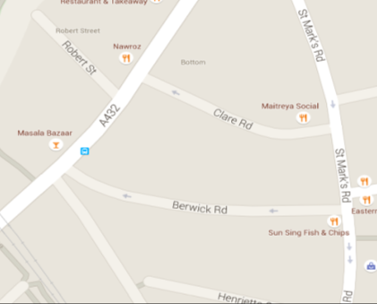
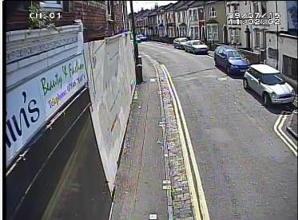

Arm B - Berwick Road (E)

Arm A - Berwick Road (W)

Junction Flow Profile
Arm Approach Flows (All Vehicles)
 | A to B (Eastbound) | B to A (Westbound) | Two-way Total
7:00:00 | 2 | 8 | 10
7:15:00 | 2 | 11 | 13
7:30:00 | 1 | 27 | 28
7:45:00 | 3 | 24 | 27
8:00:00 | 3 | 22 | 25
8:15:00 | 1 | 26 | 27
8:30:00 | 1 | 31 | 32
8:45:00 | 1 | 25 | 26
9:00:00 | 1 | 20 | 21
9:15:00 | 5 | 20 | 25
9:30:00 | 0 | 19 | 19
9:45:00 | 0 | 18 | 18
10:00:00 | 1 | 10 | 11
10:15:00 | 2 | 12 | 14
10:30:00 | 0 | 10 | 10
10:45:00 | 5 | 16 | 21
11:00:00 | 4 | 8 | 12
11:15:00 | 0 | 12 | 12
11:30:00 | 4 | 15 | 19
11:45:00 | 1 | 14 | 15
12:00:00 | 2 | 8 | 10
12:15:00 | 1 | 11 | 12
12:30:00 | 1 | 17 | 18
12:45:00 | 1 | 18 | 19
13:00:00 | 6 | 15 | 21
13:15:00 | 6 | 19 | 25
13:30:00 | 1 | 16 | 17
13:45:00 | 3 | 13 | 16
14:00:00 | 3 | 21 | 24
14:15:00 | 0 | 17 | 17
14:30:00 | 3 | 15 | 18
14:45:00 | 0 | 12 | 12
15:00:00 | 4 | 14 | 18
15:15:00 | 3 | 11 | 14
15:30:00 | 4 | 13 | 17
15:45:00 | 2 | 21 | 23
16:00:00 | 4 | 29 | 33
16:15:00 | 4 | 17 | 21
16:30:00 | 3 | 9 | 12
16:45:00 | 9 | 12 | 21
17:00:00 | 9 | 16 | 25
17:15:00 | 8 | 22 | 30
17:30:00 | 10 | 14 | 24
17:45:00 | 12 | 22 | 34
18:00:00 | 10 | 23 | 33
18:15:00 | 5 | 26 | 31
18:30:00 | 6 | 14 | 20
18:45:00 | 2 | 12 | 14

Additional Notes (Factors which may impact on survey results such as accidents, roadworks, special events):

